Sheet3
DATA_COLLECTION_TRIGGER |  | bits | Set | Get | Set | Get | Set | Get | Set | Get | Set | Get | Set | Get | Set | Get | Set | Get | Set | Get | Set | Get
 | bit0 | Manual | 1 | 1 | 1
 | bit1 | On TB Alerts | 1 | 1 |  |  | 1
 | bit2 | Pos Deviation | 1 |  |  |  |  |  | 1
 | bit3 | SP Deviation | 1 |  |  |  |  |  |  |  | 1
 | bit4 | DI Open | 1 |  |  |  |  |  |  |  |  |  | 1
 | bit5 | DI Closed | 1 |  |  |  |  |  |  |  |  |  |  |  | 1
 | bit6 | AI<LO | 1 |  |  |  |  |  |  |  |  |  |  |  |  |  | 1
 | bit7 | AI>HI | 1 |  |  |  |  |  |  |  |  |  |  |  |  |  |  |  | 1
 | bit8 | AI btwn | 1 |  |  |  |  |  |  |  |  |  |  |  |  |  |  |  |  |  | 1
 | bit9 | None | 0
 | bit10 | None | 0
 | bit11 | None | 0
 | bit12 | None | 0
 | bit13 | None | 0
 | bit14 | None | 0
 | bit15 | None | 0
 |  | Reading with NI Dialog |  | 0xf000 |  | 0x0000 |  | 0x0000 |  | 0x0000 |  | 0x0000 |  | 0x0000 |  | 0x8000 |  | 0x4000 |  | 0x2000 |  | 0x1000
 |  | Reading with NI Configurator |  | Manual On TB Alerts |  | 0x0000 |  | 0x0000 |  | 0x0000 |  | 0x0000 |  | 0x0000 |  | Manual |  | On TB Alerts |  | 0x2000 |  | 0x1000

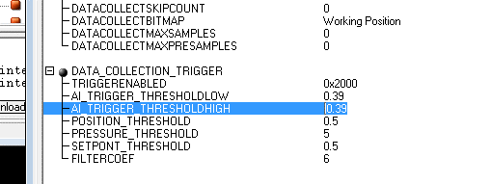

write accepted |  | reading in C85858 with NI Dialog
N |  | 0x0000
N |  | 0x0000

 |  | 0x4000

 |  | 0xf000

